Sheet1
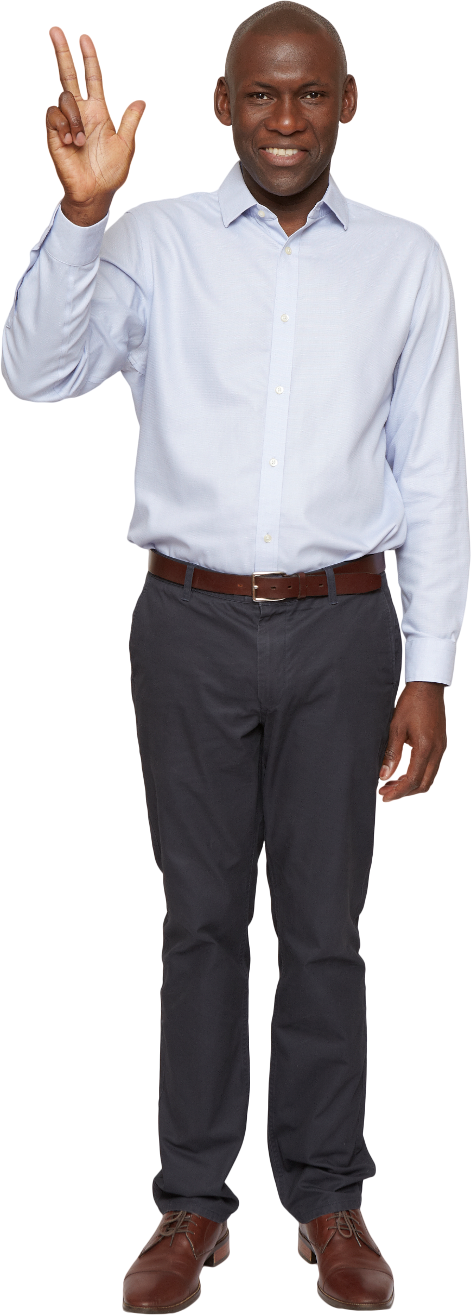
Player | Round 1 | Round 2 | Round 3 | Expected Answer
John | 2 | 3 | 7 | 2
Michael | 2 | 3 | 6 | 3
Shine | 1 | 2 | 7 | 4
Kevin | 2 | 2 | 6 | 5
Robert | 2 | 2 | 9 | 1

Rank the players on the basis of Round 1 + Round 2 + Round 3.
The ranks have to be distinct and in case of tie (ex. Shine and Kevin), earlier occurring entry will have higher rank.
Note - 1 is the highest rank.

